Sheet1
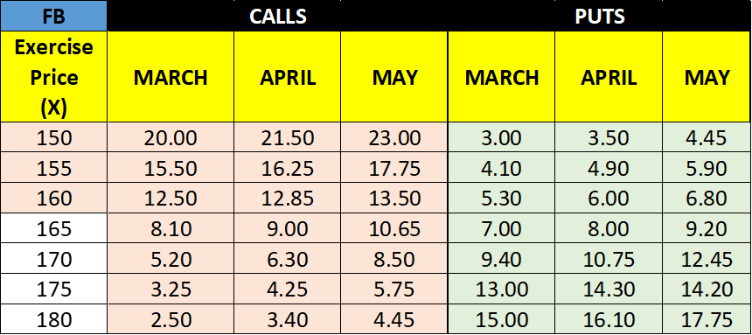

BULL CALL MAY SPREAD 160/180
 |  | X | Premium | Stock | Payoff | Profit | HPR% | Max Loss | Max Gain
Buy Low | May Call | 160 | $(13.50) | 173.5 | 13.5
Sell High | May Call | 180 | $4.45 | 173.5 | 0
 |  |  | $(9.05) |  | 13.5 | 4.45 | 49.2% | (9.05) | 4.45
BEAR PUT APR SPREAD 150/170
 |  | X | Premium | Stock | Payoff | Profit | HPR% | Max Loss | Max Gain
Buy High | Apr Put | 170 | $(10.75) | 155 | 15
Sell Low | Apr Put | 150 | $3.50 | 155 | 0
 |  |  | $(7.25) |  | 15 | 7.75 | 106.9% | (7.25) | 7.75
BULL PUT APR SPREAD 150/180
 |  | X | Premium | Stock | Payoff | Profit | HPR% | Max Loss | Max Gain
Buy Low | Apr Put | 150 | $(3.50) | 180 | 0
Sell High | Apr Put | 180 | $16.10 | 180 | 0
 |  |  | $12.60 |  | 0 | 12.60 | NA | (17.40) | 12.60

BEAR CALL MAR SPREAD 155/180
 |  | X | Premium | Stock | Payoff | Profit | HPR% | Max Loss | Max Gain
Buy High | Mar Call | 180 | $(2.50) | 190 | 10
Sell Low | Mar Call | 155 | $15.50 | 190 | -35
 |  |  | $13.00 |  | -25 | (12.00) | NA | (12.00) | 13.00

LONG BUTTERFLY CALL MAR SPREAD 160/180
 |  | X | Premium | Stock | Payoff | Profit | HPR% | Max Loss | Max Gain
Buy High | Mar Call | 180 | $(2.50) | 170 | 0
Sell Avg | Mar Call | 170 | $5.20 | 170 | 0
Sell Avg | Mar Call | 170 | $5.20 | 170 | 0
Buy Low | Mar Call | 160 | $(12.50) | 170 | 10
 |  |  | $(4.60) |  | 10 | $5.40 | 117.4% | $(4.60) | 5.40

SHORT BUTTERFLY CALL MAY SPREAD 150/180
 |  | X | Premium | Stock | Payoff | Profit | HPR% | Max Loss | Max Gain
Sell High | May Call | 180 | $4.45 | 165 | 0
Buy Avg | May Call | 165 | $(10.65) | 165 | 0
Buy Avg | May Call | 165 | $(10.65) | 165 | 0
Sell Low | May Call | 150 | $23.00 | 165 | -15
 |  |  | $6.15 |  | -15 | $(8.85) | N/A | $(8.85) | $6.15

CALL | PAYOFF = Max (0, S-X) |  |  | PAYOFF = Max (0, S-X) |  | PAYOFF = - Max (0, S-X)
PUT | PAYOFF = Max (0, X-S) |  |  | PAYOFF = Max (0, X-S) |  | PAYOFF = - Max (0, X-S)

